Bug Reports
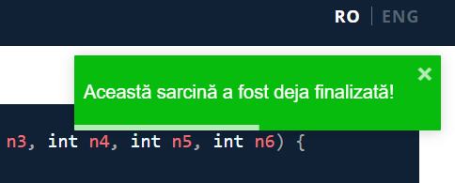
Title | Incorrect Display of Success Message Upon Accessing the Page
Pre-conditions:
1 | Have Internet connection
2 | Chrome browser is opened | Severity:
Step to reproduce |  | Major
1 | Click the link to the product page. | Priority:
2 |  | High
3 |  | Environment:
Actual result: Though the "Testare Java" page opens, a message appears saying that "Aceasta sarcina a fost deja finalizata" as if the Java testing has been already done. |  | Functional
Expected result: The "Testare Java" page opens.

Title | Exercises on the "Testare Java" page not numbered correctly, in ascending order (1 to 10)
Pre-conditions:
1 | Chrome browser opened
2 | Have the "https://java-test-qa.netlify.app/?token=d5fcc3783ba50fcac78b5a5ea8e4d69f6fe51ed8368bc618a58a846ad8b03a63&block=xyz01ab35&language=ro" page opened | Severity:
Step to reproduce |  | Minor
1 | Check in the upper middle part of the header that the exercises are presented in ascending order, as they are supposed to be solved. | Priority:
2 |  | Low
3 |  | Environment:
Actual result: The current exercise is Intrebari 10/10 as if all of them have been solved or the user gets to solve the tenth one now. |  | Functional
Expected result: The exercises/questions should go from 1 to 10.

Title | Unable to Change Language to English (EN)
Pre-conditions:
1 | Chrome browser opened
2 | Have the "https://java-test-qa.netlify.app/?token=d5fcc3783ba50fcac78b5a5ea8e4d69f6fe51ed8368bc618a58a846ad8b03a63&block=xyz01ab35&language=ro" page opened | Severity:
Step to reproduce |  | Major
1 | Check that the EN button exist. | Priority:
2 | Check in the upper right corner of the header that the EN button for language also works. | High
3 |  | Environment:
Actual result: The English language button of this product page is visible, yet not active. |  | Functional
Expected result: The English version of this product page should be visible on the screen.

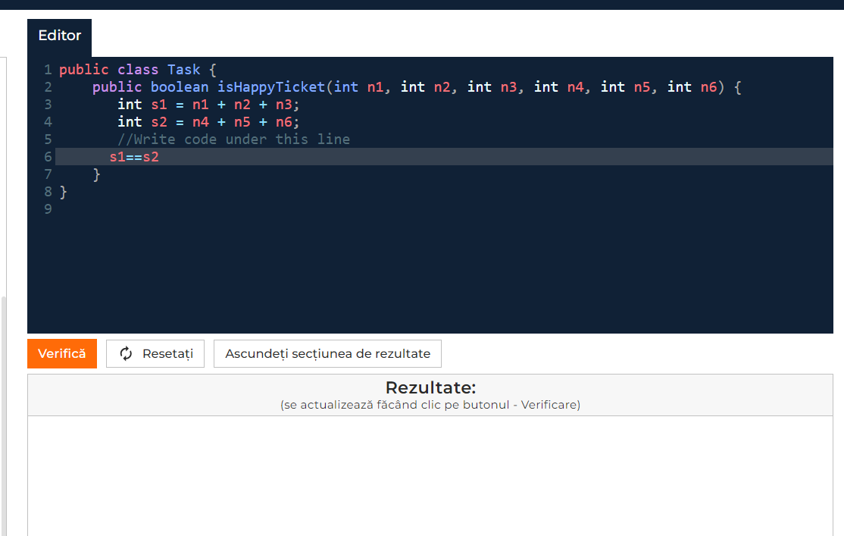
Title | "Verifica" button in the "Editor" section not functional when there is data input in the "Editor" section
Pre-conditions:
1 | Chrome browser opened
2 | Have the "https://java-test-qa.netlify.app/?token=d5fcc3783ba50fcac78b5a5ea8e4d69f6fe51ed8368bc618a58a846ad8b03a63&block=xyz01ab35&language=ro" page opened | Severity:
Step to reproduce |  | Major
1 | Write the code under the line 5. | Priority:
2 | Click the "Verifica" button. | High
3 |  | Environment:
Actual result: No matter what is introduced in the code line, when checking on the "Verifica" button nothing happens. |  | Functional
Expected result: When clicking the "Verifica" button, we should see if the exercise was solved correctly.

Title | "Verifica" button in the "Editor" section not functional when there is no data input in the "Editor" section
Pre-conditions:
1 | Chrome browser opened
2 | Have the "https://java-test-qa.netlify.app/?token=d5fcc3783ba50fcac78b5a5ea8e4d69f6fe51ed8368bc618a58a846ad8b03a63&block=xyz01ab35&language=ro" page opened | Severity:
Step to reproduce |  | Major
1 | Do not write anything under line 5. | Priority:
2 | Click the "Verifica" button. | High
3 |  | Environment:
Actual result: There is no message saying that no data was introduced. |  | Functional
Expected result: A message should be visible indicating that nothing has been written in the code line.

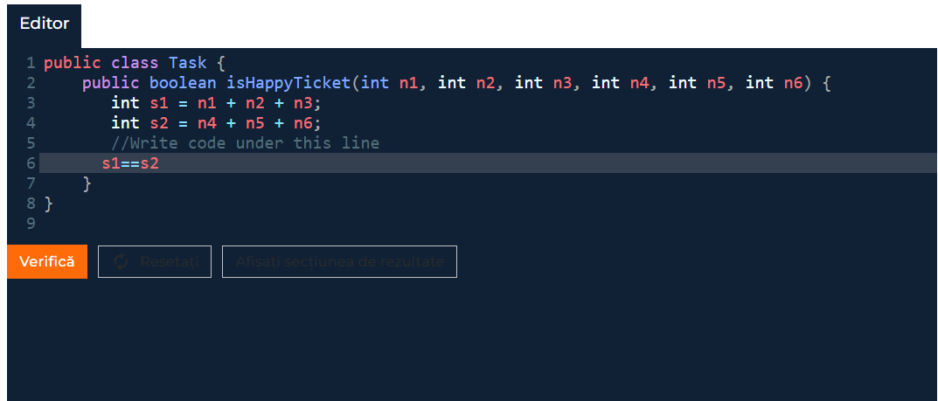
Title | "Ascundeti sectiunea de rezultate" button in the "Editor" section also hides the "Resetati" button
Pre-conditions:
1 | Chrome browser opened
2 | Have the "https://java-test-qa.netlify.app/?token=d5fcc3783ba50fcac78b5a5ea8e4d69f6fe51ed8368bc618a58a846ad8b03a63&block=xyz01ab35&language=ro" page opened | Severity:
Step to reproduce |  | Trivial
1 | Click the "Ascundeti sectiunea de rezultate" button to see if it hides the "Rezultate" section. | Priority:
2 |  | Low
3 |  | Environment:
4
Actual result: Though when pressing "Ascundeti sectiunea de rezultate" button, the "Rezultate" section is hidden, it also turns the "Resetati" button black. |  | Functional
Expected result: The "Rezultate" section is hidden.

